Checklist
VISIT CHECKLIST
MAKER
SOMEKA TEMPLATES
CHECKLIST

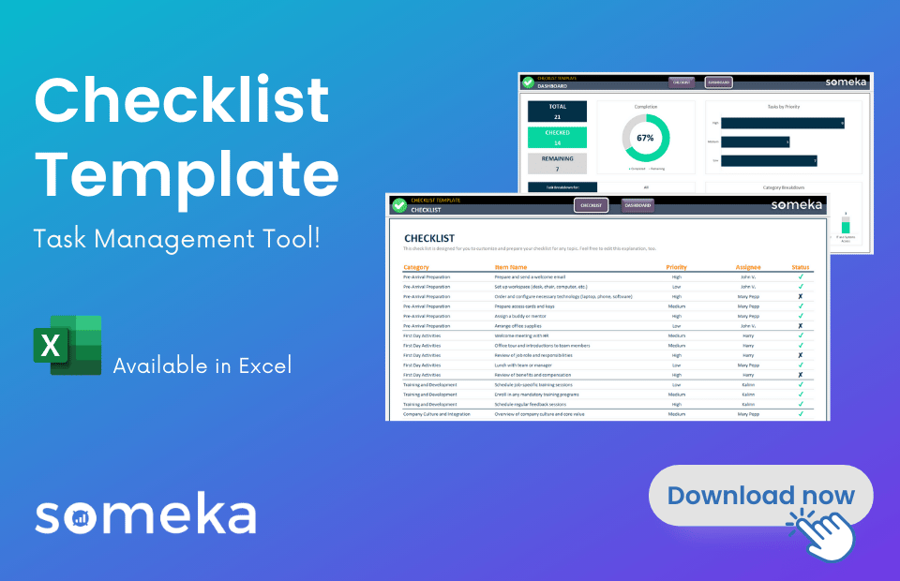
This template is created by Someka Checklist Maker Tool:
CREATE YOUR OWN CHECKLISTS!
 | Pregnancy Checklist
 | This is a ready-made checklist template for you to keep organized and track all the tasks one-by-one. You can use the Status column to checkmark your completed tasks.

 | Category | Item Name | Priority | Assignee | Status
 | First Trimester | Schedule first prenatal visit | High
 | First Trimester | Take prenatal vitamins | High
 | First Trimester | Confirm pregnancy with test | High
 | First Trimester | Research healthcare providers | Medium
 | First Trimester | Review family medical history | Medium
 | First Trimester | Plan a healthy diet | High
 | First Trimester | Start a pregnancy journal | Low
 | Second Trimester | Schedule second trimester ultrasound | High
 | Second Trimester | Begin regular prenatal visits | High
 | Second Trimester | Register for childbirth classes | Medium
 | Second Trimester | Plan for maternity leave | Medium
 | Second Trimester | Create a baby registry | Medium
 | Second Trimester | Start nursery setup | Medium
 | Second Trimester | Purchase maternity clothes | High
 | Second Trimester | Begin light exercise routine | Medium
 | Third Trimester | Schedule third trimester ultrasound | High
 | Third Trimester | Pack hospital bag | High
 | Third Trimester | Finalize birth plan | High
 | Third Trimester | Install car seat | High
 | Third Trimester | Arrange for newborn care | High
 | Third Trimester | Prepare freezer meals | Medium
 | Third Trimester | Set up nursery | Medium
 | Third Trimester | Wash baby clothes and linens | Medium
 | Third Trimester | Plan for pet care during hospital stay | Low
 | Labor and Delivery | Know the route to hospital | High
 | Labor and Delivery | Have birth plan accessible | High
 | Labor and Delivery | Inform family and friends of plan | Medium
 | Labor and Delivery | Arrange transportation | High
 | Labor and Delivery | Prepare for postpartum care | Medium
 | Postpartum | Schedule postpartum check-up | High
 | Postpartum | Plan for newborn's first doctor visit | High
 | Postpartum | Arrange for help at home | Medium
 | Postpartum | Join a new parents support group | Medium
 | Postpartum | Monitor baby's feeding and sleep schedule | High
 | Postpartum | Take care of your mental health | High
 | General | Keep track of important contacts | Medium
 | General | Stay hydrated | High
 | General | Maintain a healthy diet | High
 | General | Educate yourself on breastfeeding | Medium
 | General | Stay active with safe exercises | Medium

 | NOTES & COMMENTS

ToU
Back to
Menu
TERMS OF USE
END USER LICENSE AGREEMENT

This End-User License Agreement is a legal agreement between you and someka.net that covers all Microsoft Excel templates, spreadsheets or software built by someka.net.

By downloading, copying, accessing or otherwise using any of these templates, you agree to abide by the following terms:

* You may NOT sell, resell, license, rent, lease, lend or otherwise transfer for value without written permission of someka.net * Unless you've purchased the proper license rights, you may NOT remove or alter any someka.net logo, trademark, copyright, disclaimer, brand, terms of use, attribution, or other proprietary notices or marks within the template. * You may NOT distribute, publish to an online gallery, host on a website, or place on any server in a way that makes it available to the general public. * This template includes only dummy datas for reference, and in no event shall SOMEKA be liable for indirect, incidental, special, or consequential damages, including loss of use, loss of profits or interruption of business, however caused or on any theory of liability.

RESERVATION OF RIGHTS

All title and copyrights in and to the Template, and any copies of the Template, are owned by someka.net. All rights not expressly granted are reserved by someka.net. Use of any Template for any purpose other than expressly permitted in this EULA is prohibited, and may result in severe civil and criminal penalties.

CONTACT
For more information and specific permissions for your case, please contact us at: contact@someka.net

