Checklist
VISIT CHECKLIST
MAKER
SOMEKA TEMPLATES
CHECKLIST

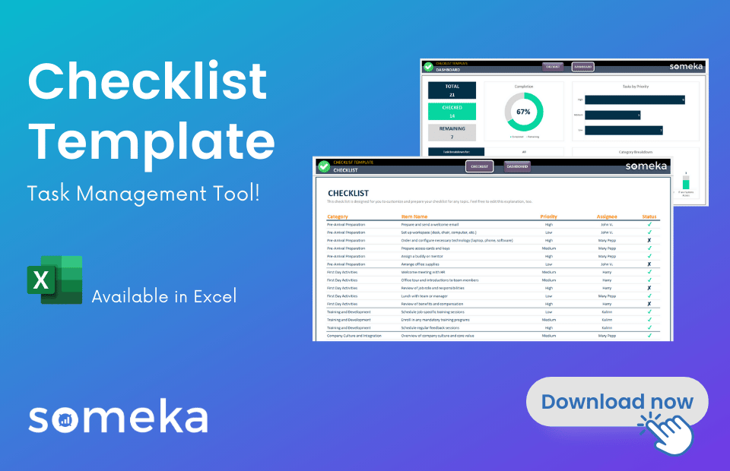
This template is created by Someka Checklist Maker Tool:
CREATE YOUR OWN CHECKLISTS!
 | Morning Routine Checklist
 | This is a ready-made checklist template for you to keep organized and track all the tasks one-by-one. You can use the Status column to checkmark your completed tasks.

 | Category | Item Name | Priority | Assignee | Status
 | Personal Care | Brush Teeth | High
 | Personal Care | Shower | High
 | Personal Care | Dress Up | Medium
 | Personal Care | Skincare Routine | Medium
 | Personal Care | Prepare Breakfast | High
 | Work Tasks | Check Emails | High
 | Work Tasks | Update To-Do List | Medium
 | Work Tasks | Attend Team Meeting | High
 | Work Tasks | Review Calendar | Medium
 | Work Tasks | Work on Priority Task | High
 | Household Chores | Make Bed | Medium
 | Household Chores | Clean Kitchen | Medium
 | Household Chores | Take Out Trash | Low
 | Household Chores | Water Plants | Low
 | Household Chores | Organize Desk | Medium
 | Fitness | Morning Stretch | Medium
 | Fitness | Go for a Walk | Medium
 | Fitness | Meditate | Medium
 | Fitness | Hydrate | High
 | Fitness | Plan Meals | Medium

 | NOTES & COMMENTS

ToU
Back to
Menu
TERMS OF USE
END USER LICENSE AGREEMENT

This End-User License Agreement is a legal agreement between you and someka.net that covers all Microsoft Excel templates, spreadsheets or software built by someka.net.

By downloading, copying, accessing or otherwise using any of these templates, you agree to abide by the following terms:

* You may NOT sell, resell, license, rent, lease, lend or otherwise transfer for value without written permission of someka.net * Unless you've purchased the proper license rights, you may NOT remove or alter any someka.net logo, trademark, copyright, disclaimer, brand, terms of use, attribution, or other proprietary notices or marks within the template. * You may NOT distribute, publish to an online gallery, host on a website, or place on any server in a way that makes it available to the general public. * This template includes only dummy datas for reference, and in no event shall SOMEKA be liable for indirect, incidental, special, or consequential damages, including loss of use, loss of profits or interruption of business, however caused or on any theory of liability.

RESERVATION OF RIGHTS

All title and copyrights in and to the Template, and any copies of the Template, are owned by someka.net. All rights not expressly granted are reserved by someka.net. Use of any Template for any purpose other than expressly permitted in this EULA is prohibited, and may result in severe civil and criminal penalties.

CONTACT
For more information and specific permissions for your case, please contact us at: contact@someka.net

