FamilyTree
VISIT FAMILY TREE
MAKER
SOMEKA TEMPLATES
EDITABLE FAMILY TREE TEMPLATE

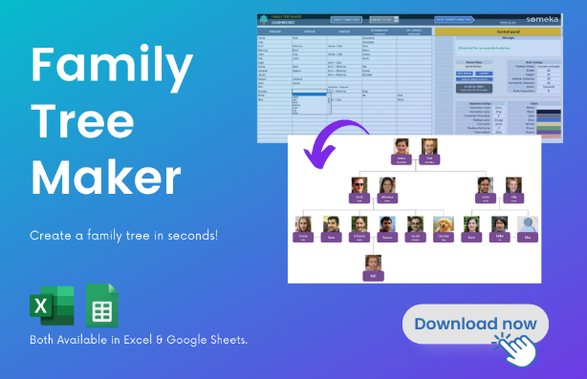
This template is created by Someka Automatic Family Tree Maker:
CREATE YOUR OWN FAMILY TREE!
Rickard Stark
Lyarra Stark

Brandon Stark
Eddard Stark
Catelyn Tully
Benjen Stark
Lyanna Stark
Rhaegar Targaryen

Rob Stark
Sansa Stark
Arya Tully
Bran Stark
Rickon Stark
Jon Snow

ToU
Back to
Menu
TERMS OF USE
END USER LICENSE AGREEMENT

This End-User License Agreement is a legal agreement between you and someka.net that covers all Microsoft Excel templates, spreadsheets or software built by someka.net.

By downloading, copying, accessing or otherwise using any of these templates, you agree to abide by the following terms:

* You may NOT sell, resell, license, rent, lease, lend or otherwise transfer for value without written permission of someka.net * Unless you've purchased the proper license rights, you may NOT remove or alter any someka.net logo, trademark, copyright, disclaimer, brand, terms of use, attribution, or other proprietary notices or marks within the template. * You may NOT distribute, publish to an online gallery, host on a website, or place on any server in a way that makes it available to the general public. * This template includes only dummy datas for reference, and in no event shall SOMEKA be liable for indirect, incidental, special, or consequential damages, including loss of use, loss of profits or interruption of business, however caused or on any theory of liability.

RESERVATION OF RIGHTS

All title and copyrights in and to the Template, and any copies of the Template, are owned by someka.net. All rights not expressly granted are reserved by someka.net. Use of any Template for any purpose other than expressly permitted in this EULA is prohibited, and may result in severe civil and criminal penalties.

CONTACT
For more information and specific permissions for your case, please contact us at: contact@someka.net

